Golf Package Trang 2
Tee Times Search |  |  | 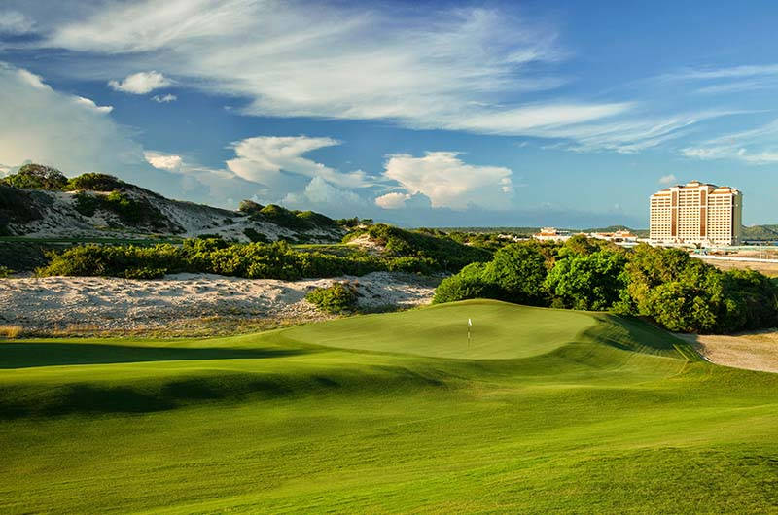

 | Region | Province

Book Now
 | Course | Players
The Bluff Ho Tram Golf Package
From $ 231 per person with 2 nights Stay at The Grand Ho Tram Strip 5 * 2 Round of Golf .
 | Lịch.../ tee time

 |  | Search Now

 |  |  | More Discounted Packages

Only from 231 $
Custom GOLF Package |  |  | 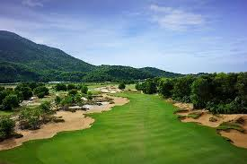 | 7 Days 6 Nights Shocking Banyan Tree Villa + 5 rounds of Golf
 | Customised golf packages are designed to give you the perfect golf vacation with hundreds of courses, top golf destinations, and discount pricing on where you want to play and stay !
 |  |  |  | * * * *
 |  |  |  | Giới thiệu chung

 |  |  |  |  | Details

 |  | Plan Your Tour |  | 3 Days 2 Nights Shocking Angsana Langco Hotel with unlimited Golf for 2 days
Only from 130 $
$
 |  |  |  | * * * *
Stay & Play |  |  |  | Giới thiệu chung
 | Let our professional team offer you complete Stay & Play Golf Package with Luxurious accommodation to have Best experience during your holiday.

 |  |  |  |  | Details

 |  |  | Trang 1 sẽ ra khoảng 7,8 Gói golf theo thông tin 2 gói trên ( Sau đó khách tìm theo trang 1,2, 3)

 |  | View Packages

News
 | > CDC Tournament news,
 | > tiger wookds...,,k,
 | > lakjakjaklf
 | > hklajlaka
 | > jkajlak
 | > BIDV Tournament news,
 | > HSBC Golf Outings
 | > CDC Tournament news,
 |  | Read More | Sau đó dưới vẫn ra thông tin: Sân Golf giống Golf Course + Stay & Play

 | COMING GOLF COMPETITIONS in VIETNAM at the BEST GOLF COURSES

Golf Package trang 3
Đường dẫn
Tee Times Search |  |  | 7 Days 6 Nights Shocking Banyan Tree Villa + 5 rounds of Golf
 |  |  |  |  | Offers from 15th September 2014 to 14th September 2015 7 Nights in Twin Room based on 2 sharing on B & B Basis Water and Fruit on arrival 5 x 18 holes as follows - either 3 round Golf Montado + 2 round at Ribagolfe 5 rounds at Golf Montado 3 round at Montado + 2 round Golf at Troia 15/9/2014 to 31/5/2015 - 504€ per person 1/6/2015 to 14/9/2015 - 420€ per person Or play 3 round Golf Montado + 1 round at Quinta do Peru + 1 round at Ribagolfe for 15/9/2014 to 31/5/2015 - 534€ per person 1/6/2015 to 14/9/2015 - 450€ per person Single Occupancy- 174€ Non Golfer Price on request Half Board 30€ per person For groups with 8 paying guests = 1 person FREE 7 nights + 5 Green Fees from 420€ per person
 | Region | Province

 | Course | Players

 | Lịch.../ tee time
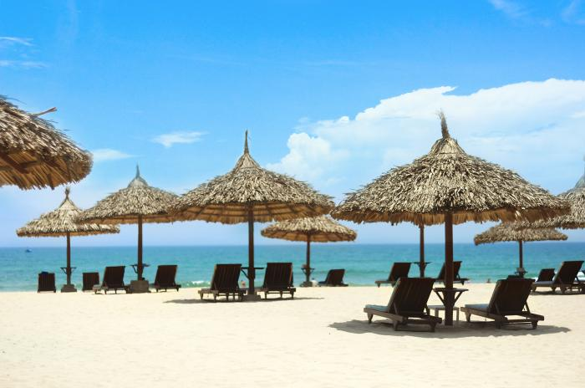
 |  | Search Now

Custom GOLF Package
 | Customised golf packages are designed to give you the perfect golf vacation with hundreds of courses, top golf destinations, and discount pricing on where you want to play and stay !
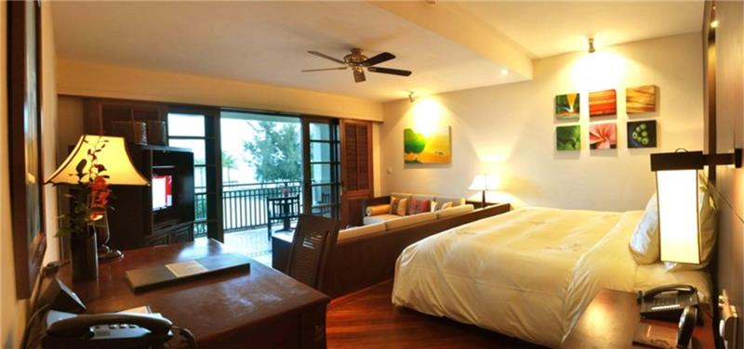

 |  | Plan Your Tour
 |  |  |  |  |  | Request Package

Only from 231 $
Stay & Play |  |  | More Discounted Golf Packages
 | Let our professional team offer you complete Stay & Play Golf Package with Luxurious accommodation to have Best experience during your holiday. |  |  | 7 Days 6 Nights Shocking Banyan Tree Villa + 5 rounds of Golf

 |  |  |  | * * * *
 |  |  |  | Giới thiệu chung

 |  | View Packages |  |  |  |  | Details

 |  |  |  | 3 Days 2 Nights Shocking Angsana Langco Hotel with unlimited Golf for 2 days
Only from 130 $
$
News |  |  |  | * * * *
 | > CDC Tournament news, |  |  | Giới thiệu chung
 | > tiger wookds...,,k,
 | > lakjakjaklf
 | > hklajlaka
 | > jkajlak |  |  |  |  |  | Details
 | > BIDV Tournament news,
 | > HSBC Golf Outings
 | > CDC Tournament news, |  | Chỉ ra 3 gói phần More discounted Golf Packages , sau đó có nút More info sẽ vào phần toàn bộ Packages như menu trang chủ
 |  | Read More

 | COMING GOLF COMPETITIONS in VIETNAM at the BEST GOLF COURSES

